1. Title Page
[Instacart Basket Analysis]

Project Name : Instacart Basket Analysis
Date: 08/12/2022
Analyst Name: Alvaro Garcia Solis

Contents:
Population Flow
Consistency checks
Wrangling steps
Column derivations
Visualizations
Recommendations

Data Source
“The Instacart Online Grocery Shopping Dataset 2017”, Accessed from https://www.instacart.com/datasets/grocery-shopping-2017 on Demeber 08, 2022.

2. Population Flow
Title page

Population flow

Exclusion flag
Condition: max_order <
Obervations to be removed:
Final total count of order_products_all:

Orders_products_combined
Orders_products_merged
Orders_products_all

Total: 32,404,859
Total: 32434489, 11
Total: 32404859, 36

1.) The grey boxes in the first row of the population flow represent the original data sets as they were when you downloaded them. In the Total fields you need to add the count of the rows when you imported the data set into Jupyter.
2.) The second row of boxes (coloured) represents the data sets after you manipulated them, e.g., removed missing values and duplicates. In the Total fields you need to add the count of the rows after conducting these operations. This offers a visual oveview of how the data flows throughout the data consistency checks.
3.) The third row, where also the arrows are coloured, represents the merges you performed between the datasets. In the Total fields you need to add the count of the rows in the merged datasets, so that you end up with the final dataset (in the red box). Keep in mind the final dataset should be without exclusions (based on the exclusion flag).

3. Consistency checks
 |  |  |  | Title page
Consistency checks

Dataset | Missing values | Missing values treatment | Duplicates
orders | N/A | N/A | N/A
products | 16 NaN on product_name | Eliminated | 5
orders_products_prior | N/A | N/A | N/A
customers | N/A | N/A | N/A

4. Wrangling steps
 |  |  |  | Title page
Wrangling steps

Columns dropped | Columns renamed | Columns' type changed | Comment/Reason
orders | order_dow | change the name of the column | 4.4 line 11 - to have a clearer name
orders | order_id | change the type of the data | 4.4 line 21 - change it to str
departments | both | Transposing data | 4.4 line 23
departments |  | New header | 4.4 line 29
products |  | combined with orders | 4.6 line 24 - task
orders_products_prior | N/A | N/A
customers | First Name | change the name of the column | first_name 4.9 line 23-33
customers | Surnam | change the name of the column | surname line 23-33
customers | STATE | change the name of the column | state line 23-33
customers | Age | change the name of the column | age line 23-33
customers | user_id | change the type of the data | 4.9 line 28 - change it to str to merge the data

5. Column derivations
 |  |  |  | Title page

Column derivations and aggregations

In this tab you should add tables below that the frequences of flags/label variables that you produced after deriving them. NB: don't do this for continuous variables, only for flags.
Dataset | New column | Column/s it was derived from | Conditions
orders_products_merged | price_range | prices | Range of prices <=5; >5<=15; >15
orders_products_merged | busiest_days | order_dow | Derived from analysis of the orders depending on the day of the week 4.7 line 27
orders_products_merged | busiest_period_of_day | order_hour_of_day | Derived from analysis of the orders depending on the hour of the day 4.7 line 34
orders_products_merged | max_order | user_id; order_number | Derived from counting (4.8 line 16)
orders_products_merged | loyalty_flag | max_order | Derived from column max_order (4.8 line 24)
orders_products_merged | mean_price | product_name; prices | Derived from counting these values (4.8 line 50)
orders_products_merged | spending_flag | mean_price | Derived from column mean_price (4.8 line 52)
orders_products_merged | median_day_spo | user_id; days_since_prior_order | Derived from counting these values (4.8 line 62)
orders_products_merged | frequent_customer_flag | median_day_spo | Derived from column median_day_spo (4.8 line 64)
ords_prods_customers_4_9 | regions | state | Created list grouping states and derived from the customer information 4.10 line 11
ords_prods_customers_4_9 | activity | max_order | Derived from max order >5 4.10 line 22
ords_prods_customers_4_9 | age_category | age | Derived from group of ages 4.10 line 59
ords_prods_customers_4_9 | income_category | income | Derived from incomes below of up to the average 4.10 line 64
ords_prods_customers_4_9 | marketing_category | age_category; n_dependants | Derived from a combinations of 2 values 4.10 line 74

6. Visualizations
 | Title page

Visualisations

In this tab you should include all the visualtions from Exercises 4.9 and 4.10, alongside the questions from the project brief that they answer. Include any commentary on the relationship between different variables.

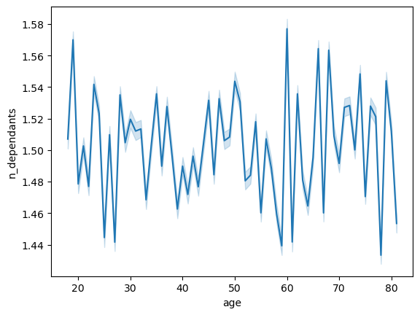
Now that you have information about customers, you need to conduct some exploratory analysis of customer demographics to inform the targeted marketing campaigns.
First, determine whether there’s a connection between age and family situation by creating a line chart exploring the connections between age and number of dependents:
There is no clear correlation between these two variables


You’ll also need to explore whether there’s a connection between age and spending power (income).
To visualize this relationship, create a scatterplot using the sns.scatterplot() function.
The most average income is rounding 20k
There are a few percentage below 40 with more than 30k
There is another band of average about 30k on the population from 40 to 80
And there is another "unicorns" up to 40-60k on this range

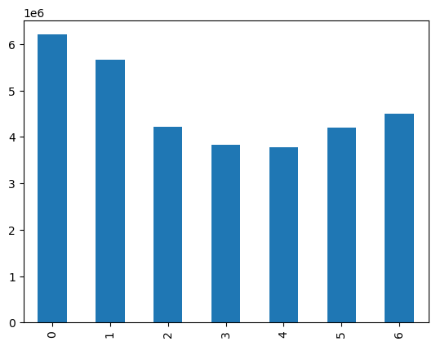

The sales team needs to know what the busiest days of the week and hours of the day are

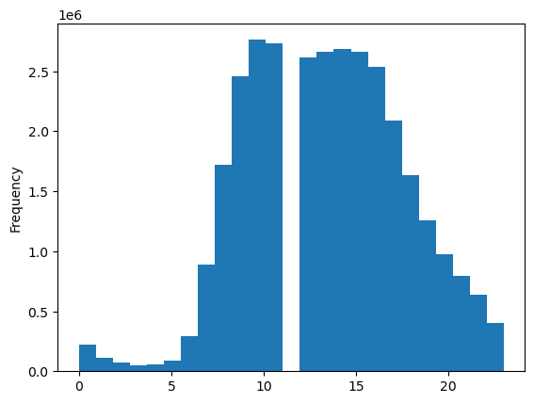

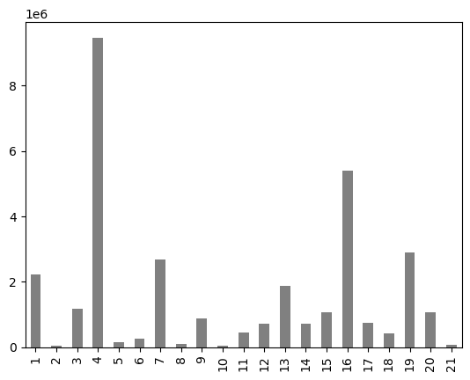
Are there certain types of products that are more popular than others? The marketing
and sales teams want to know which departments have the highest frequency of product orders

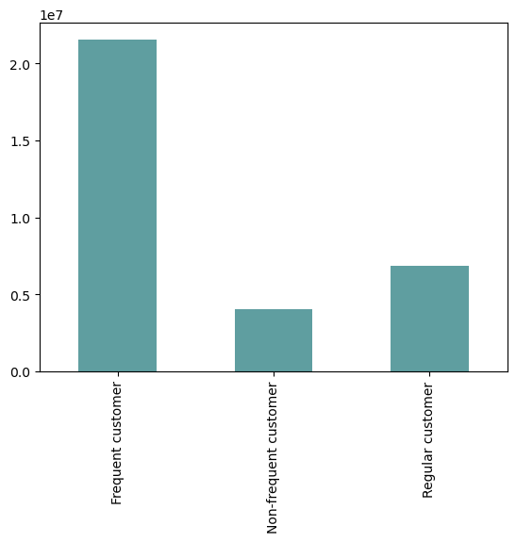

What’s the distribution among users in regards to their brand loyalty (i.e., how often do they return to Instacart)?
Are there differences in ordering habits based on a customer’s loyalty status?

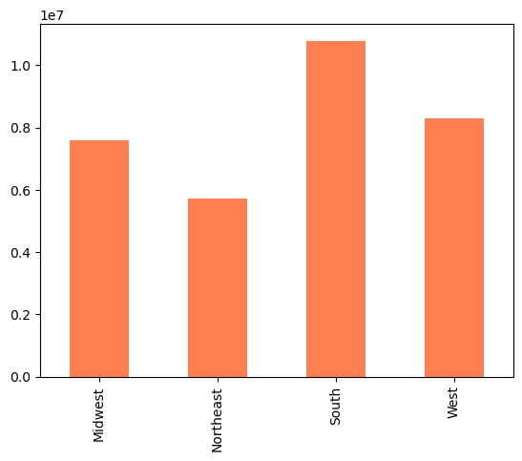
Are there differences in ordering habits based on a customer’s region?

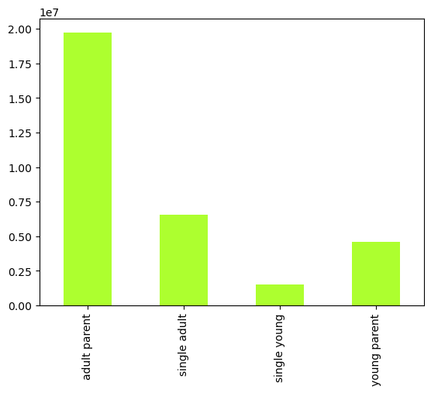

Is there a connection between age and family status in terms of ordering habits?

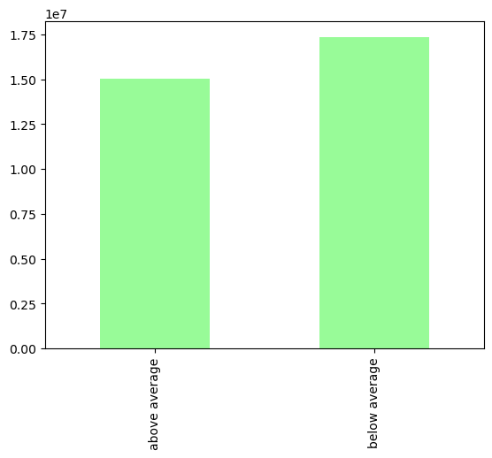

Another connections with the flags created

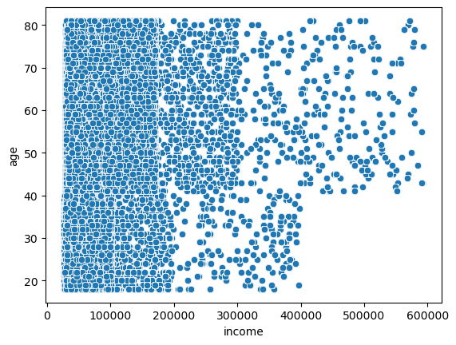

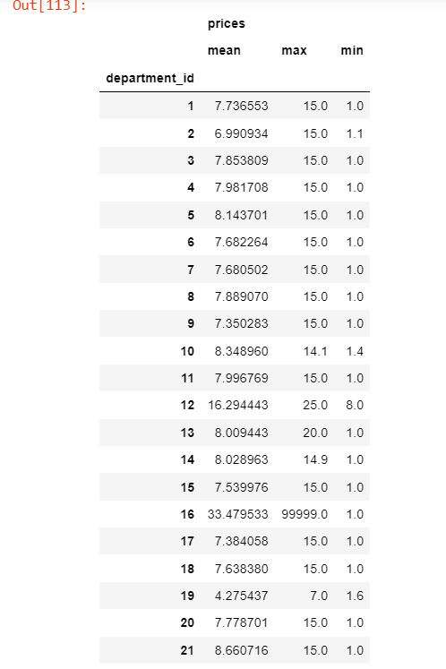

Prices by dpt

7. Recommendations
Recommendations
 |  |  |  |  |  |  | Title page
 |  |  |  |  |  |  |  | regions | High spender | Low spender
 |  |  |  |  |  |  |  | Midwest | 29994 | 7567331 | 7597325 | 0.39% | 99.61%
 |  |  |  |  |  |  |  | Northeast | 22747 | 5699989 | 5722736 | 0.40% | 99.60%
In this tab you should include any recommendations you would made to Instcart in terms of their marketing strategy based on the questions posed in the brief. Every key question has been covered in the Tasks of the Exercises - here you need to add an item - a visualisation or table/crosstable that is showing the answer in the data, acompanied by a comment from you. Please, list the questions below and add the answer underneath.
 |  |  |  |  |  |  |  | South | 42800 | 10749085 | 10791885 | 0.40% | 99.60%
 |  |  |  |  |  |  |  | West | 32301 | 8260612 | 8292913 | 0.39% | 99.61%

Question | Answer
The sales team needs to know what the busiest days of the week and hours of the day are (i.e., the days and times with the most orders) in order to schedule ads at times when there are fewer orders. | Weekdays (Mon-Thurs) seems to be the days with less activity, so we can recommend to increase the ads on these days You can see charts here | Charts_Days

They also want to know whether there are particular times of the day when people spend the most money, as this might inform the type of products they advertise at these times. | Also we can see the central hours of the day are the busiest, so it´s easy to think they should put the effort on the first hours of the morning and the latest of the evening You can see the chart here | Charts Hours

Instacart has a lot of products with different price tags. Marketing and sales want to use simpler price range groupings to help direct their efforts. | I think it´s not easy to simplify prices as every dpt/product has a range 1-15 on the price. It´s true that most of the averages prices are around 7-8, but I think it will be worse to simplify | Price table

Are there certain types of products that are more popular than others? The marketing and sales teams want to know which departments have the highest frequency of product orders. | Alcohol, Household and Deli are the products with the highest frequency of orders You can see the chart with all the departments here | Charts - Departments

The marketing and sales teams are particularly interested in the different types of customers in their system and how their ordering behaviors differ
● Are there differences in ordering habits based on a customer’s loyalty status? | Frequent customers orders more logically than non-frequent or regular. See chart | Loyalty customers
 | But let´s go deeper on the analysis, analysing the spending flag |  | spending_flag | Loyal customer | New customer | Regular customer
 | We can see there are of course less high spender orders than low. But the frequency is more or less the same on the type of customers |  | High spender | 38,654 | 26119 | 63069
 |  |  | Low spender | 10,245,439 | 6217871 | 15813707
● Are there differences in ordering habits based on a customer’s region? | The southern regions are the one with more orders. You can see the chart here | Region chart

● Is there a connection between age and family status in terms of ordering habits? | There is a clear correlation on this combination, as adult parents and single adults are the one with more orders, and quite below we can find single young and young parents | Age-Family Status Chart

● What different classifications does the demographic information suggest? Age? Income? Certain types of goods? Family status?
● What differences can you find in ordering habits of different customer profiles?

Consider the price of orders, the frequency of orders, the products customers are

